Module 25
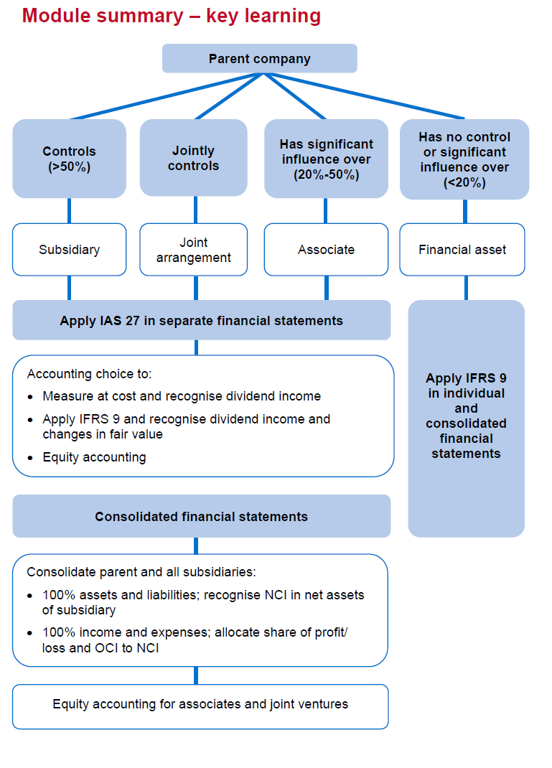
Main
 | Alpha/Beta

 | dr investment in Beta |  | 25000*4 | 100,000
 |  | cr cash |  |  | 100,000

 | dr investment in Beta |  |  | 100,000
 |  | Cr Share capital | 20000*.25 |  | 5,000
 |  | cr Share premium | 20000*(5-.25) |  | 95,000

 | Gamma/Delta

 | dr bank |  |  | 65000
 |  | cr SPL - finance income |  |  | 65000
 | being dividends received

 | Dr accured income |  |  | 110000
 |  | SPL - finance income |  |  | 110000
 | being dividend declared, not received.

